PopulationReport
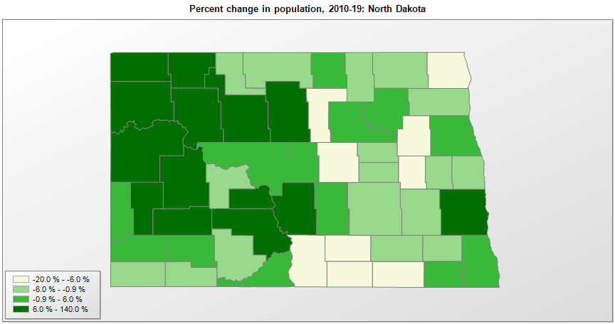

FIPS* | County name | RUC code | Pop. 1990 | Pop. 2000 | Pop. 2010 | Pop. 2019 | Change 2010-19
38000 | North Dakota |  | 638,800 | 642,237 | 672,576 | 762,062 | 13.3%
38001 | Adams County | 9 | 3,174 | 2,593 | 2,343 | 2,216 | -5.4%
38003 | Barnes County | 6 | 12,545 | 11,772 | 11,064 | 10,415 | -5.9%
38005 | Benson County | 9 | 7,198 | 6,961 | 6,660 | 6,832 | 2.6%
38007 | Billings County | 9 | 1,108 | 888 | 784 | 928 | 18.4%
38009 | Bottineau County | 9 | 8,011 | 7,156 | 6,429 | 6,282 | -2.3%
38011 | Bowman County | 9 | 3,596 | 3,243 | 3,151 | 3,024 | -4.0%
38013 | Burke County | 9 | 3,002 | 2,243 | 1,968 | 2,115 | 7.5%
38015 | Burleigh County | 3 | 60,131 | 69,408 | 81,308 | 95,626 | 17.6%
38017 | Cass County | 3 | 102,874 | 123,171 | 149,778 | 181,923 | 21.5%
38019 | Cavalier County | 9 | 6,064 | 4,832 | 3,994 | 3,762 | -5.8%
38021 | Dickey County | 9 | 6,107 | 5,768 | 5,287 | 4,872 | -7.8%
38023 | Divide County | 9 | 2,899 | 2,283 | 2,071 | 2,264 | 9.3%
38025 | Dunn County | 9 | 4,005 | 3,606 | 3,536 | 4,424 | 25.1%
38027 | Eddy County | 9 | 2,951 | 2,756 | 2,385 | 2,287 | -4.1%
38029 | Emmons County | 8 | 4,830 | 4,327 | 3,545 | 3,241 | -8.6%
38031 | Foster County | 9 | 3,983 | 3,761 | 3,337 | 3,210 | -3.8%
38033 | Golden Valley County | 9 | 2,108 | 1,925 | 1,680 | 1,761 | 4.8%
38035 | Grand Forks County | 3 | 70,683 | 66,119 | 66,864 | 69,451 | 3.9%
38037 | Grant County | 8 | 3,549 | 2,841 | 2,394 | 2,274 | -5.0%
38039 | Griggs County | 9 | 3,303 | 2,754 | 2,421 | 2,231 | -7.8%
38041 | Hettinger County | 9 | 3,445 | 2,715 | 2,478 | 2,499 | 0.8%
38043 | Kidder County | 8 | 3,332 | 2,738 | 2,435 | 2,480 | 1.8%
38045 | LaMoure County | 9 | 5,383 | 4,690 | 4,141 | 4,046 | -2.3%
38047 | Logan County | 9 | 2,847 | 2,315 | 1,988 | 1,850 | -6.9%
38049 | McHenry County | 9 | 6,528 | 5,983 | 5,392 | 5,745 | 6.5%
38051 | McIntosh County | 9 | 4,021 | 3,388 | 2,813 | 2,497 | -11.2%
38053 | McKenzie County | 9 | 6,383 | 5,738 | 6,359 | 15,024 | 136.3%
38055 | McLean County | 8 | 10,457 | 9,346 | 8,962 | 9,450 | 5.4%
38057 | Mercer County | 7 | 9,808 | 8,634 | 8,424 | 8,187 | -2.8%
38059 | Morton County | 3 | 23,700 | 25,301 | 27,469 | 31,364 | 14.2%
38061 | Mountrail County | 9 | 7,021 | 6,636 | 7,663 | 10,545 | 37.6%
38063 | Nelson County | 8 | 4,410 | 3,706 | 3,126 | 2,879 | -7.9%
38065 | Oliver County | 3 | 2,381 | 2,057 | 1,848 | 1,959 | 6.0%
38067 | Pembina County | 9 | 9,238 | 8,620 | 7,403 | 6,801 | -8.1%
38069 | Pierce County | 7 | 5,052 | 4,667 | 4,359 | 3,975 | -8.8%
38071 | Ramsey County | 7 | 12,681 | 12,062 | 11,451 | 11,519 | 0.6%
38073 | Ransom County | 8 | 5,921 | 5,896 | 5,457 | 5,218 | -4.4%
38075 | Renville County | 9 | 3,160 | 2,612 | 2,470 | 2,327 | -5.8%
38077 | Richland County | 6 | 18,148 | 17,992 | 16,321 | 16,177 | -0.9%
38079 | Rolette County | 9 | 12,772 | 13,674 | 13,939 | 14,176 | 1.7%
38081 | Sargent County | 9 | 4,549 | 4,362 | 3,829 | 3,898 | 1.8%
38083 | Sheridan County | 9 | 2,148 | 1,711 | 1,321 | 1,315 | -0.5%
38085 | Sioux County | 3 | 3,761 | 4,043 | 4,154 | 4,230 | 1.8%
38087 | Slope County | 9 | 907 | 765 | 727 | 750 | 3.2%
38089 | Stark County | 7 | 22,832 | 22,635 | 24,199 | 31,489 | 30.1%
38091 | Steele County | 8 | 2,420 | 2,252 | 1,975 | 1,890 | -4.3%
38093 | Stutsman County | 7 | 22,241 | 21,912 | 21,100 | 20,704 | -1.9%
38095 | Towner County | 9 | 3,627 | 2,878 | 2,246 | 2,189 | -2.5%
38097 | Traill County | 8 | 8,752 | 8,479 | 8,121 | 8,036 | -1.0%
38099 | Walsh County | 6 | 13,840 | 12,375 | 11,126 | 10,641 | -4.4%
38101 | Ward County | 5 | 57,921 | 58,799 | 61,675 | 67,641 | 9.7%
38103 | Wells County | 9 | 5,864 | 5,095 | 4,207 | 3,834 | -8.9%
38105 | Williams County | 7 | 21,129 | 19,754 | 22,399 | 37,589 | 67.8%

Source: U.S. Census Bureau, 1990, 2000, and 2010 Censuses of Population (corrected), and 2019 County Total Population Estimates. 1) The FIPS codes uniquely identify each county and are part of the Federal Information Processing Standards (FIPS) developed by the National Institute of Standards and Technology (NIST), U.S. Department of Commerce. For more information, see the NIST FIPS publication page. 2) The 2013 rural-urban continuum codes classify metropolitan counties (codes 1 through 3) by size of the Metropolitan Statistical Area (MSA), and nonmetropolitan counties (codes 4 through 9) by degree of urbanization and proximity to metro areas. See rural-urban continuum codes for precise definitions of each code.

